ToDo
CSC4990 Outcomes a, c, d, e, f, h, and k
Please use the rubrics found in the assessment plan

Criterion C
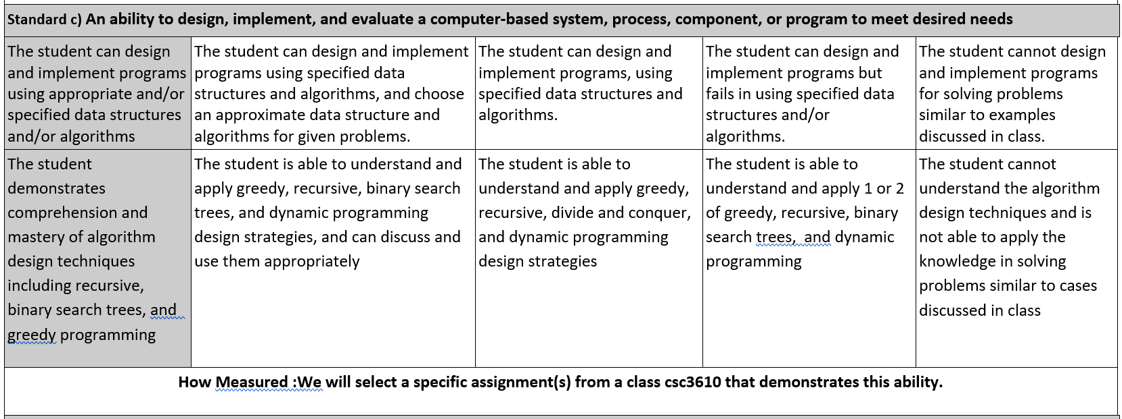

Final Exam P1 - Recognize need to hashMap and properly solve a problem with it.

Final Exam P2 - Recognize the need to solve a problem that uses a linked list and hashMap

 |  |  |  | Acceptable | 18.75
 | P1 Results: |  | Q. 3 /25.00 |  |  | P2 Results: | Q. 4 /25.00
can design |  |  | 25.00 |  |  |  | 25.00 | 5.00
 |  |  | 12.50 |  |  |  | 10.00 | 2.25
 |  |  | 18.75 |  |  |  | 21.25 | 4.00
 |  |  | 25.00 |  |  |  | 25.00 | 5.00
 |  |  | 25.00 |  |  |  | 21.25 | 4.63
 |  |  | 12.50 |  |  |  | 21.25 | 3.38
 |  |  | 12.50 |  |  |  | 25.00 | 3.75
 |  |  | 12.50 |  |  |  | 17.50 | 3.00
 |  |  | 10.00 |  |  |  | 6.25 | 1.63
 |  |  | 12.50 |  |  |  | 10.00 | 2.25
 |  |  | 6.25 |  |  |  | 0.00 | 0.63
 |  |  | 15.68 |  |  |  | 16.59 | 3.23

CSC4990 - Data Structure Quick Quiz
 |  |  | 62.726666667 |  |  |  | 66.363333333 | 3.23
 |  |  | 6.3372016097 |  |  |  |  | 1.36
 |  |  |  |  |  |  |  | 67%

During CSC4990 - capstone. Provided an in class quiz on 4 basic data structurs they may be asked about

dem comprehension
 | Promt 1: |  |  | Percent Correct
 | Prompt 1: | Without looking it up. Provide an example application that would be best suited to use a HashMap data structure and state and indicate WHY that datastructure is well suited for the application. |  | 61%
 | Prompt 2: | Without looking it up. Provide an example application that would be best suited to use and Queue data structure and state WHY? |  | 50%
 | Prompt 3: | Without looking it up, give 2 example applications that would be well suited to use a tree data structure such as a binary tree, AVL tree or Red/Black Tree and WHY? |  | 20%
 | Prompt 4: | What is the best case and worst case performance of items placed in a Binary Search Tree data structure? |  | 50%

 |  |  |  | 45%

 | Overall comment | It appears key learnings from CSC3610 are not being retained. Any one of these prompts could be used in a technical interview.

Criterion D
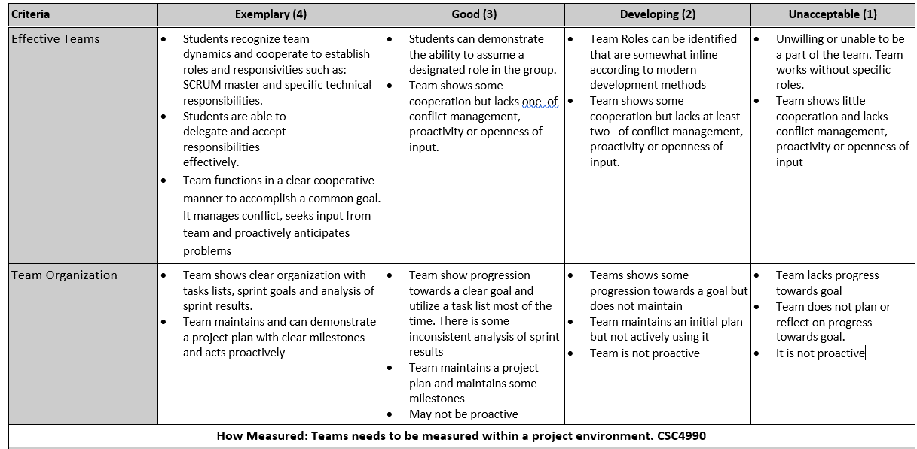

Actual Criteria
 | 4 | 3 | 2 | 1

 | Averge of two | Effective Team | Effective score | Organization | Organization Score
Team: Nursing Internship | 4 | This team had clear roles that were worked in and utilized. Team delegated well and worked within those delegations. | 4 | Team had clear milestones, sprints and sprint reviews. They also were proactive and several times asked me about up coming potential issues. They proactively scheduled their own customer meetings without my prompting. | 4
Team: Nursing Sim 1: | 2.5 | Team had some roles but some members were not working on them. At least 1 team member was distracting. Team of 4 was dominated by 1 person who could not get others to engage together. | 2.5 | They were much less proactive than needed. Several times I pointed out potential problems they needed to work. Could not demonstrate milestones or sprint retrospective analysis. They needed to interact with customer more and pull out the requirements need. | 2.5
Team: Nursing Sim 2. | 3.25 | Team had 2 of the 3 members working hard. The 3rd was not effective. Between the 2 they delegated and accepted work well. | 3.5 | Had a task list but often out of date. Team needed to be more proactive with customer. Team had some milestones. They needed to interact with customer more to figure out requirements they needed my prompting to make that happen | 3
Team Kane | 3.25 | Team had items delegated and worked well. Team worked within the delegation but needed to work harder to pull together towards their goal. | 3 | Team needed to be more proactive in asking for help and working with customer. This was one of their largest lacking's in effectiveness. They had some milestones and retrospective reviews. | 3.5
Team Nursing Inventory | 4 | Team worked well and delegated well. One of 4 members was less engaged and the team tried to work around and with the student. Team worked well though in the items they delegated | 4 | Team was proactive and organized. Utilized code repositories effectively. Made task lists and can articulate where they were on the lists. For example, they knew they had to deploy the tool but proactively sought my help to figure it out and get it deployed. | 4

 | 3.4 |  | 3.4 |  | 3.4
 |  |  | 0.65192024052 |  | 0.65192024052
 |  |  | 80% |  | 80%

Criterion H
Alternatively we could give a writing sample during CSC4990 that discusses the need for professional development.

4990 Interview Readiness
The 4 'pillars' of Object Oriented Programming are:
1. Abstraction
2. Inheritance
3. Polymorphism
4. Encapsulation
Define each of them and provide an example of why you would use it?

 |  | Percentage
Criterion X: Can demonstrate ability to answer likily technical interview questions about Software Development or problem solving

 |  |  |  |  | Had 4100
S1 |  | 100.00 |  |  | 1
S2 |  | 50.00 |  |  | 0
S3 |  | 25.00
S4 |  | 100.00 |  |  | 1
S5 |  | 100.00 |  |  | 1
S6 |  | 25.00
S7 |  | 25.00 |  |  | 1
S8 |  | 50.00
S9 |  | 50.00 |  |  | 1
S10 |  | 100.00 |  |  | 1
S11 |  | 25.00
S12 |  | 75.00 |  |  | 1
S13 |  | 0.00
S14 |  | 100.00 |  |  | 1
S15 |  | 100.00 |  |  | 1
S16 |  | 25.00
S17 |  | 100.00 |  |  | 1
S18 |  | 100.00 |  |  | 1
S19 |  | 0.00
S20 |  | 75.00 |  |  | 1

public class ConvertingTimeInClass { static String timeConversion(String s) { // Convert input time s from 12-hour AM/PM format, // to military (24-hour) time. // Note: Midnight is 12:00:00AM on a 12-hour clock, // and 00:00:00 on a 24-hour clock. // Noon is 12:00:00PM on a 12-hour clock, // and 12:00:00 on a 24-hour clock. // // Input s: string - time in 12 hour format // returns retString string in 12 hour format // E.g., Input: 07:05:45PM // output: 19:05:45 // E.g., Input: 12:05:45AM // output: 00:05:45 // E.g., Input: 04:59:09AM // output: 04:59:09 String retSt = ""; return retSt; } public static void main(String[] args) { String t = "07:05:45PM"; String sTime = timeConversion( t ); // Expected Result: 19:05:45 showResult( t, sTime ); t = "12:05:45AM"; sTime = timeConversion( t ); showResult( t, sTime ); // Expected Result: 00:05:45 t = "12:45:54PM"; sTime = timeConversion( t ); showResult( t, sTime ); // Expected Result: 12:45:54 t = "02:34:50PM"; sTime = timeConversion( t ); showResult( t, sTime ); // Expected Result: 14:34:50 t = "04:59:09AM"; sTime = timeConversion( t ); showResult( t, sTime ); // Expected Result: "04:59:09"; } private static void showResult(String t, String sTime) { System.out.printf("\nFor inPut:%s result:%s", t, sTime ); } }
Overall $ |  | 61.25
Percent w/0 4100 |  | 30.56
Opercent w/ 4100 |  | 85.42
Basic String Manipulation Problem

S1 | 100
S2 | 25
S3 | 60
S4 | 50
S5 | 100
S6 | 100
S7 | 100
S8 | 100
S9 | 100
S10 | 60
S11 | 100
S12 | 100
S13 | 100
S14 | 100
S15 | 100
S16 | 60

 | 84.6875
 | 31.25 |  | 31% of the class had trouble with this simple in class problem

CSC4990 - Data Structure Quick Quiz

During CSC4990 - capstone. Provided an in class quiz on 4 basic data structurs they may be asked about

 | Prompt 1: |  |  | Percent Correct
 | Prompt 1: | Without looking it up. Provide an example application that would be best suited to use a HashMap data structure and state and indicate WHY that datastructure is well suited for the application. |  | 61
 | Prompt 2: | Without looking it up. Provide an example application that would be best suited to use and Queue data structure and state WHY? |  | 50%
 | Prompt 3: | Without looking it up, give 2 example applications that would be well suited to use a tree data structure such as a binary tree, AVL tree or Red/Black Tree and WHY? |  | 20%

 | Overall comment | It appears key learnings from CSC3610 are not being retained. Any one of these prompts could be used in a technical interview.

ABET CS Curriculum
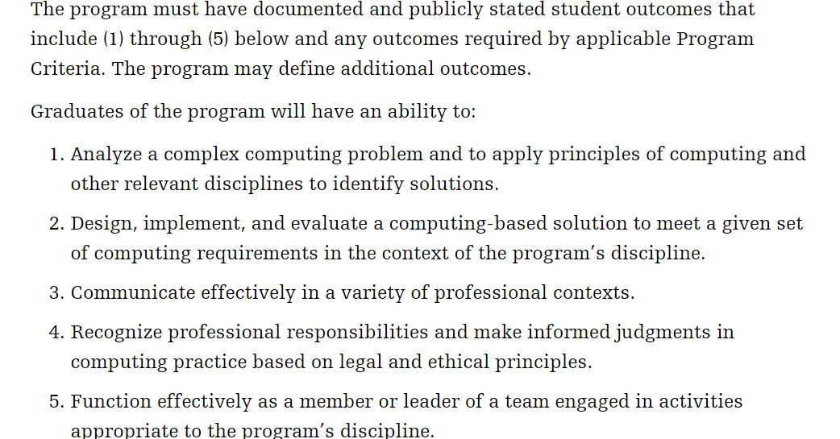
https://www.abet.org/accreditation/accreditation-criteria/criteria-for-accrediting-computing-programs-2019-2020/#GC5
Curriculum Students must have course work or an equivalent educational experience that includes:
Computer science: One and one-third years that must include: - Yes -> Coverage of the fundamentals of algorithms, data structures,
- No -> software design, concepts of programming languages and (2 electives)
- Yes -> computer organization and architecture. [CS]
-> No -> An exposure to a variety of programming languages and systems. [CS] -> Yes -> Proficiency in at least one higher level language. [CS] -> Yes -> Advanced course work that builds on the fundamental course work to provide depth. [CS]
One year of science and mathematics At least one-half year that must include discrete The additional mathematics might consist of course work in areas such as calculus, linear algebra, numerical methods, probability, statistics, number theory, geometry or symbolic logic. [CS]
-> No -> Science: A science component that develops an understanding of the scientific method, and provides students with an opportunity to experience this mode of inquiry in courses for science and engineering majors that provide some exposure to laboratory work. [CS]
The curriculum requirements specify subject areas, but do not prescribe specific courses. These requirements are:
Computer science: At least one and one-third academic years that must include:
Computer science fundamentals including: - Yes -> Algorithms and complexity,
-> No -> computer science theory, concepts of programming languages, and
-> Yes - software development.
At least three of the following:
-> Yes -> computer architecture and organization,
-> No -> information management,
-> No -> networking and communication,
-> No -> operating systems,
-> No -> and parallel and distributed computing.
Advanced course work that builds on fundamental topics to provide both breadth and depth.
Yes -> Design, implementation, and evaluation of computer-based solutions of varying complexity.
Yes -> in-depth coverage of at least one high-level language. Yes -> A project requiring integration of knowledge and skills acquired in earlier course work.
Yes -> Mathematics: At least one-half academic year of college-level mathematics that must include discrete The additional mathematics might consist of course work in areas such as calculus, linear algebra, numerical methods, probability, statistics, number theory, or geometry.
No ->Science: Natural science course work that develops an understanding of the scientific method, provides exposure to laboratory work, and provides students with an opportunity to experience this mode of inquiry in courses appropriate for science or engineering majors.

